CPI
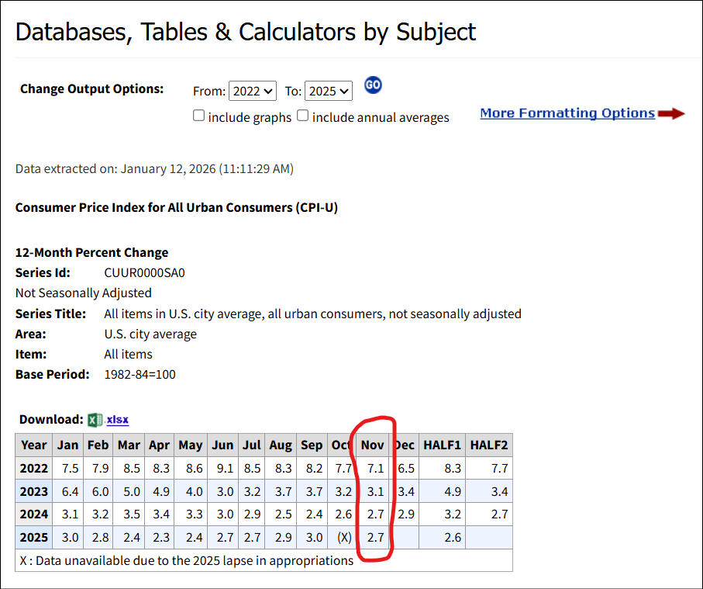
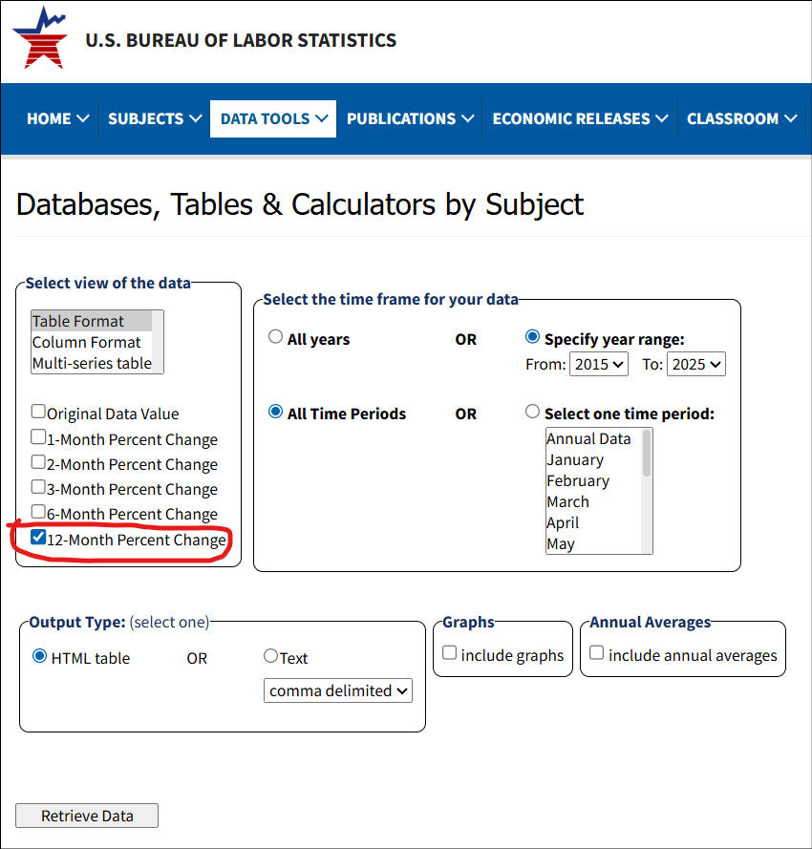
Source | https://data.bls.gov/toppicks?survey=bls
Price Index | https://data.bls.gov/toppicks?survey=bls
More Formatting Options | 12-Month Percent Change

12-Month rolling CPI-U
End Month | Value
11/2025 | 2.7%
11/2024 | 2.7%
11/2023 | 3.1%
11/2022 | 7.1%

Rolling 3-yr average | 2.8%
Rolling 4-yr average | 3.9% | <-- "CPIAVG" USED FOR CALCS ON LINE AND PIVOT TABS

01 - Town Council - FY 2027
 Town of Londonderry, NH Town Council Department Fiscal Year 2027 Proposed Budget

 | Account Number | Account Description | 2023 Budget | 2023 Actuals | 2024 Budget | 2024 Actuals | 2025 Budget | 2025 Actuals | 2026 Budget | 2027 Department Budget | 2027 Town Manager Budget | 2027 Town Council Proposed Budget | 2027 Default Budget | Change from Prior Year (27-26) | Over/(Under) Default

Fund: 100 - General Fund
EXPENSES
Department: 01 - Town Council
Division: 00 - Non-Divisional
PS Salaries - Personnel services - salaries
01-00 | 4130-000 | Elected Salaries | $10,500.00 | $10,500.00 | $10,500.00 | $10,500.00 | $10,500.00 | $10,500.00 | $10,500.00 | $10,500.00 | $10,500.00 | $10,500.00 | $10,500.00 | $- | $-
Account Classification Total: PS Salaries - Personnel services - salaries |  |  | $10,500.00 | $10,500.00 | $10,500.00 | $10,500.00 | $10,500.00 | $10,500.00 | $10,500.00 | $10,500.00 | $10,500.00 | $10,500.00 | $10,500.00 | $- | $-
PS Benefits - Personnel services - benefits
01-00 | 4220-000 | FICA Benefits | $651.00 | $651.00 | $651.00 | $651.00 | $651.00 | $651.00 | $651.00 | $651.00 | $651.00 | $651.00 | $651.00 | $- | $-
01-00 | 4225-000 | Medicare Benefits | $153.00 | $152.25 | $153.00 | $152.25 | $153.00 | $152.25 | $153.00 | $153.00 | $153.00 | $153.00 | $153.00 | $- | $-
01-00 | 4260-000 | Workers' comp Benefits | $21.00 | $18.77 | $22.00 | $22.22 | $25.00 | $24.90 | $29.00 | $29.00 | $29.00 | $29.00 | $29.00 | $- | $-
Account Classification Total: PS Benefits - Personnel services - benefits |  |  | $825.00 | $818.33 | $826.00 | $825.47 | $829.00 | $828.15 | $833.00 | $833.00 | $833.00 | $833.00 | $833.00 | $- | $-
PS prof - Purchased services - professional & technical
01-00 | 4550-000 | Printing Services | $- | $- | $- | $- | $- | $- | $- | $3,840.00 | $3,840.00 | $3,840.00 | $- | $3,840.00 | $3,840.00
01-00 | 4570-000 | Sem & workshops Services | $- | $- | $- | $- | $- | $- | $- | $750.00 | $750.00 | $750.00 | $- | $750.00 | $750.00
01-00 | 4575-000 | Travel & mileage Services | $- | $- | $- | $- | $- | $- | $- | $500.00 | $500.00 | $500.00 | $- | $500.00 | $500.00
01-00 | 4330-000 | MGMT services Services | $1,000.00 | $3,106.92 | $1,000.00 | $863.50 | $1,000.00 | $591.22 | $1,000.00 | $- | $- | $- | $1,000.00 | $(1,000.00) | $(1,000.00)
Account Classification Total: PS prof - Purchased services - professional & technical |  |  | $1,000.00 | $3,106.92 | $1,000.00 | $863.50 | $1,000.00 | $591.22 | $1,000.00 | $5,090.00 | $5,090.00 | $5,090.00 | $1,000.00 | $4,090.00 | $4,090.00
Supplies - Supplies
01-00 | 4610-000 | General expenses Supplies | $777.00 | $787.79 | $777.00 | $1,022.40 | $777.00 | $2,156.75 | $737.00 | $1,000.00 | $1,000.00 | $1,000.00 | $737.00 | $263.00 | $263.00
01-00 | 4680-000 | Dept. expense Supplies | $- | $- | $- | $- | $- | $- | $- | $1,950.00 | $1,950.00 | $1,950.00 | $- | $1,950.00 | $1,950.00
Account Classification Total: Supplies - Supplies |  |  | $777.00 | $787.79 | $777.00 | $1,022.40 | $777.00 | $2,156.75 | $737.00 | $2,950.00 | $2,950.00 | $2,950.00 | $737.00 | $2,213.00 | $2,213.00
Division Total: 00 - Non-Divisional |  |  | $13,102.00 | $12,519.47 | $13,103.00 | $13,211.37 | $13,106.00 | $14,076.12 | $13,070.00 | $19,373.00 | $19,373.00 | $19,373.00 | $13,070.00 | $6,303.00 | $6,303.00
Department Total: 01 - Town Council |  |  | $13,102.00 | $12,519.47 | $13,103.00 | $13,211.37 | $13,106.00 | $14,076.12 | $13,070.00 | $19,373.00 | $19,373.00 | $19,373.00 | $13,070.00 | $6,303.00 | $6,303.00
EXPENSES Total |  |  | $13,102.00 | $12,519.47 | $13,103.00 | $13,211.37 | $13,106.00 | $14,076.12 | $13,070.00 | $19,373.00 | $19,373.00 | $19,373.00 | $13,070.00 | $6,303.00 | $6,303.00

Fund EXPENSE Total: 100 - General Fund |  |  | $13,102.00 | $12,519.47 | $13,103.00 | $13,211.37 | $13,106.00 | $14,076.12 | $13,070.00 | $19,373.00 | $19,373.00 | $19,373.00 | $13,070.00 | $6,303.00 | $6,303.00

 |  |  |  |  |  |  |  |  |  | 0 | 0 | 0 | 0

